Sheet1
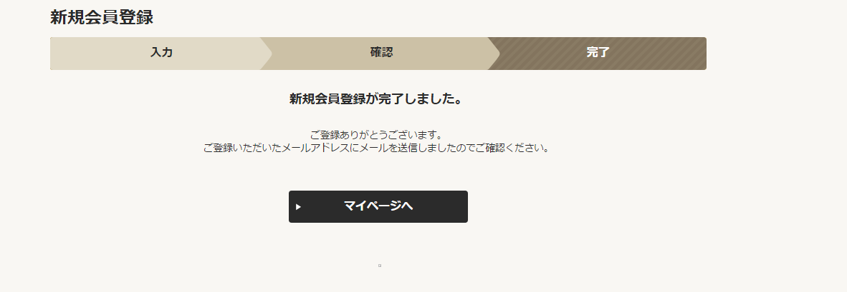
 | Webfontpana

url:account/member/new/comp/ | View | MemberAddComp.jsp
 | Filter | web.xml | EncodeFilter BaseFilter CookieSupportCheckFilter

 | Controller | MemberCompCommand.java
Model: model.member.* | Service
 | DAO
 | VO
 | Url mapping | myPageEdit.xml |  | <bean class="jp.co.transcosmos.dm3.servlet.URLCommandViewMapping"> <property name="urlPattern" value="/account/member/new/comp/" /> <property name="defaultCommandName" value="memberAddCompResultCommand" /> <property name="defaultViewName" value="/WEB-INF/jsp/front/mypage/MemberAddComp.jsp" /> </bean> <bean id="memberAddCompResultCommand" class="jp.co.transcosmos.dm3.webFront.mypage.command.MemberCompCommand" scope="prototype"> <property name="mode" value="comp" /> <property name="useUserIdValidation" value="false" /> </bean>

